Decision Flow Chart
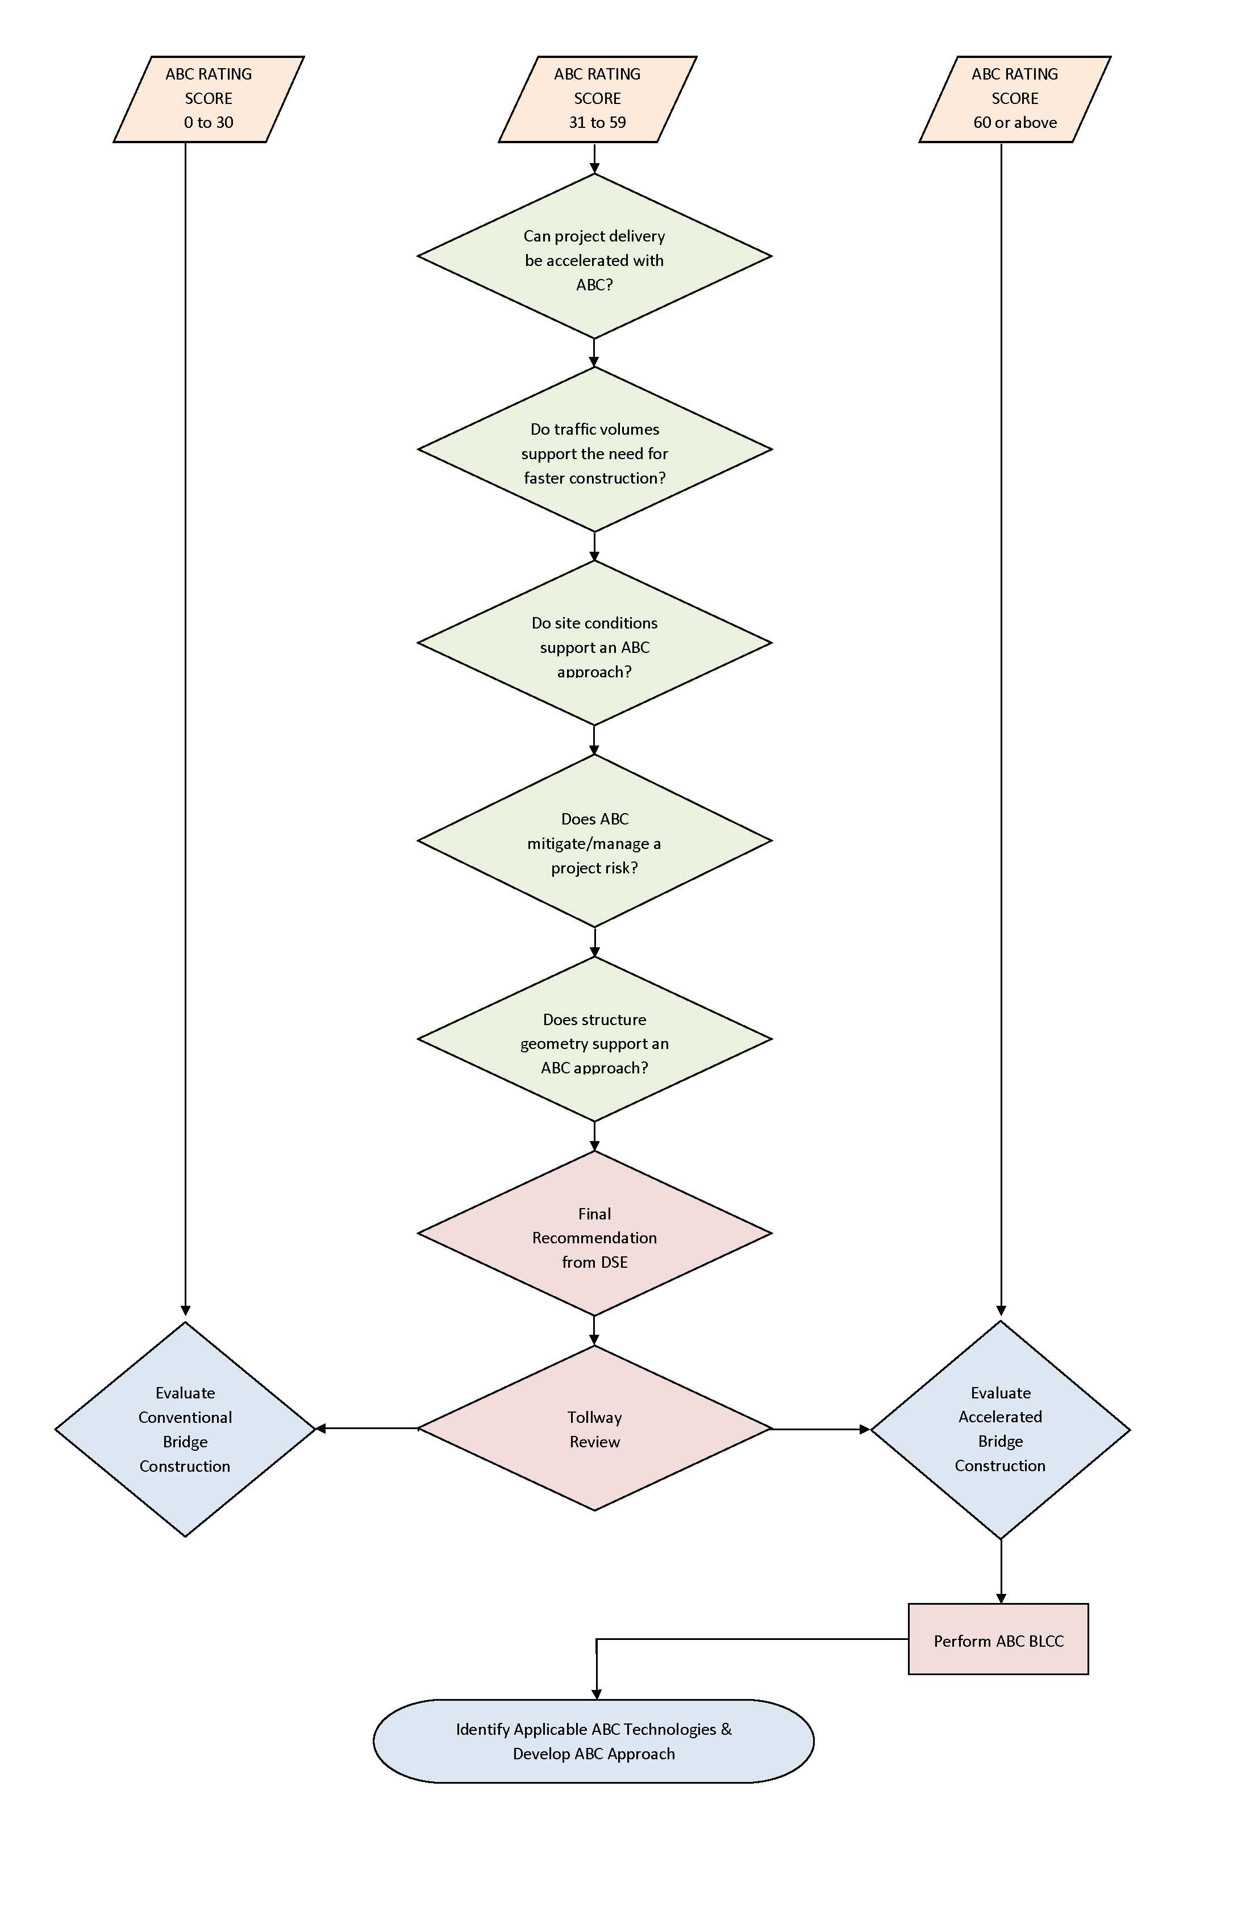
THE ILLINOIS STATE TOLL HIGHWAY AUTHORITY
ACCELERATED BRIDGE CONSTRUCTION (ABC) - DECISION MATRIX TOOL (DMT)

Prepared By | XX | Prepared On | xx/xx/xxxx
Checked By | XX | Checked On | xx/xx/xxxx
Bridge No. | XXXXX | Mile Post | xx.xx
Location | xxxxxx
ABC Rating Procedure |  |  |  | December 2016

ABC RATING SCORE - DECISION FLOW CHART

